Worksheets - en
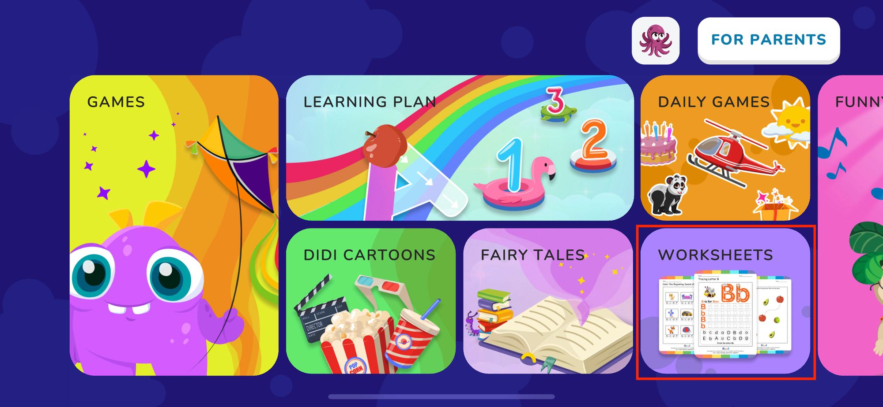
Feature | Feature details | Comments | Check result | Link to bug report | Status

Worksheets icon in Lobby |  | Tap on the "Worksheets" section to check "Grown Ups Only" | Pass

Grown Ups Only screen
 | Choose the correct answer | Upon successful verification, the "Printable worksheets" window opens | Pass
 | Choose the wrong answer | An animation of an incorrectly chosen answer is played | Pass
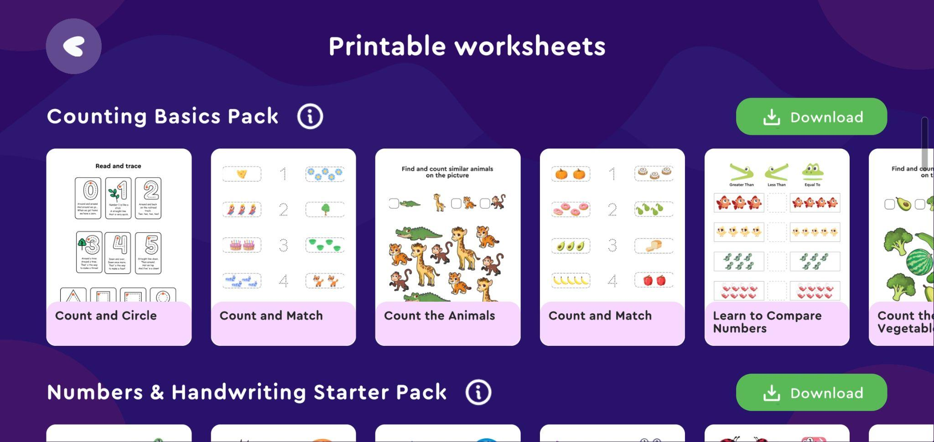
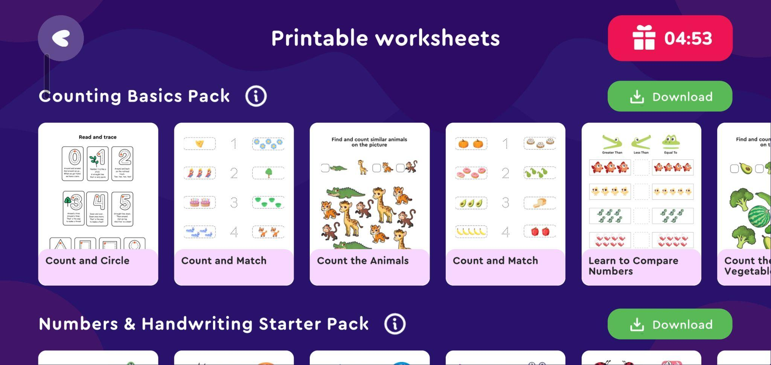
Printable worksheets screen
 | Back button | Returns to the lobby | Pass
 | Info button | Tap opens a pop-up with a description of the package | Pass
 | Download button | The tap downloads a package of letters to the device | Pass
[Hide] ON | Gift icon appears | A gift icon with a timer is displayed. When the timer ends, the icon disappears. | Pass
[Hide] OFF | Gift icon is faded | There is no gift icon, packages can be downloaded without a subscription | Pass

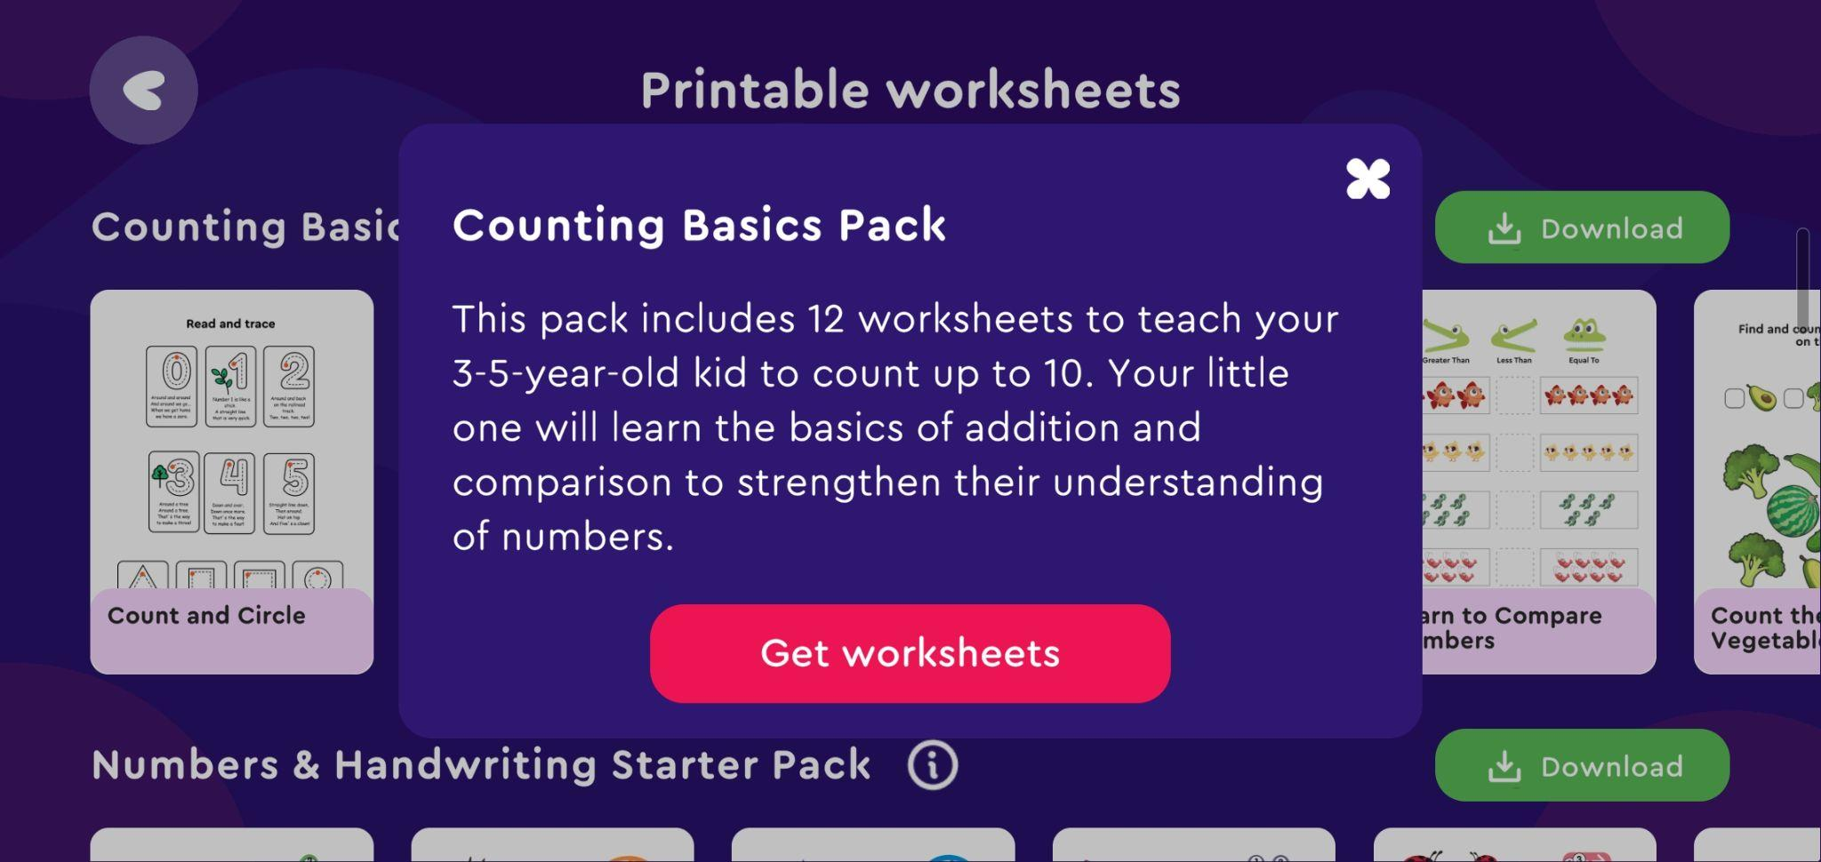
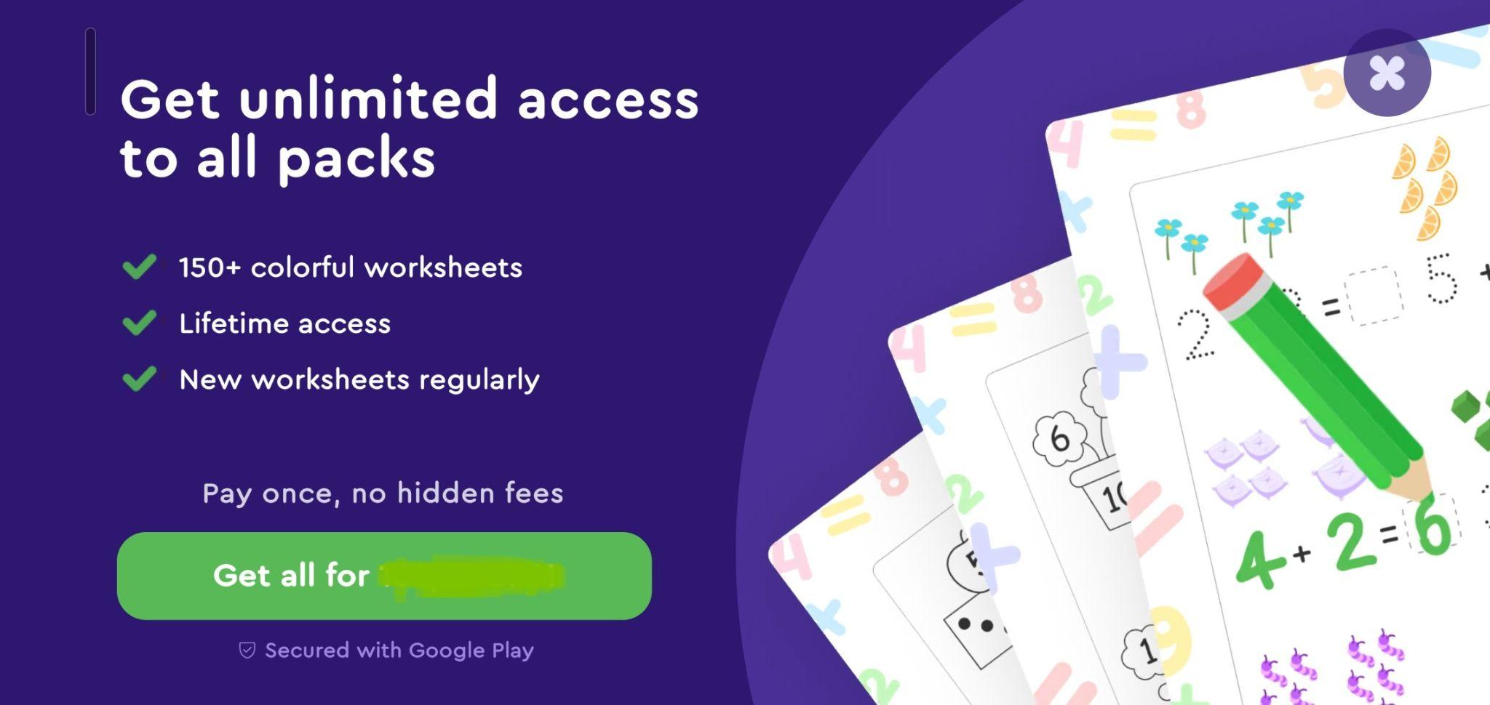
Info button
 | Close button | Pop-up closes on tap | Pass
 | Get worksheets button | The tap downloads a package of letters to the device | Pass

Gift icon
[Hide] ON | Tap on the Gift icon | Tap on the icon opens the purchase window for unlimited access to packages ("Get unlimited access to all packs" screen) | Pass
[Hide] ON | Tap the Download button | Opens the purchase window with unlimited access to packages. (You need to buy a subscription to unlock the ability to download letter packs) | Pass
[Hide] ON | Tap the Get worksheets button | Opens the purchase window with unlimited access to packages. (You need to buy a subscription to unlock the ability to download letter packs) | Pass
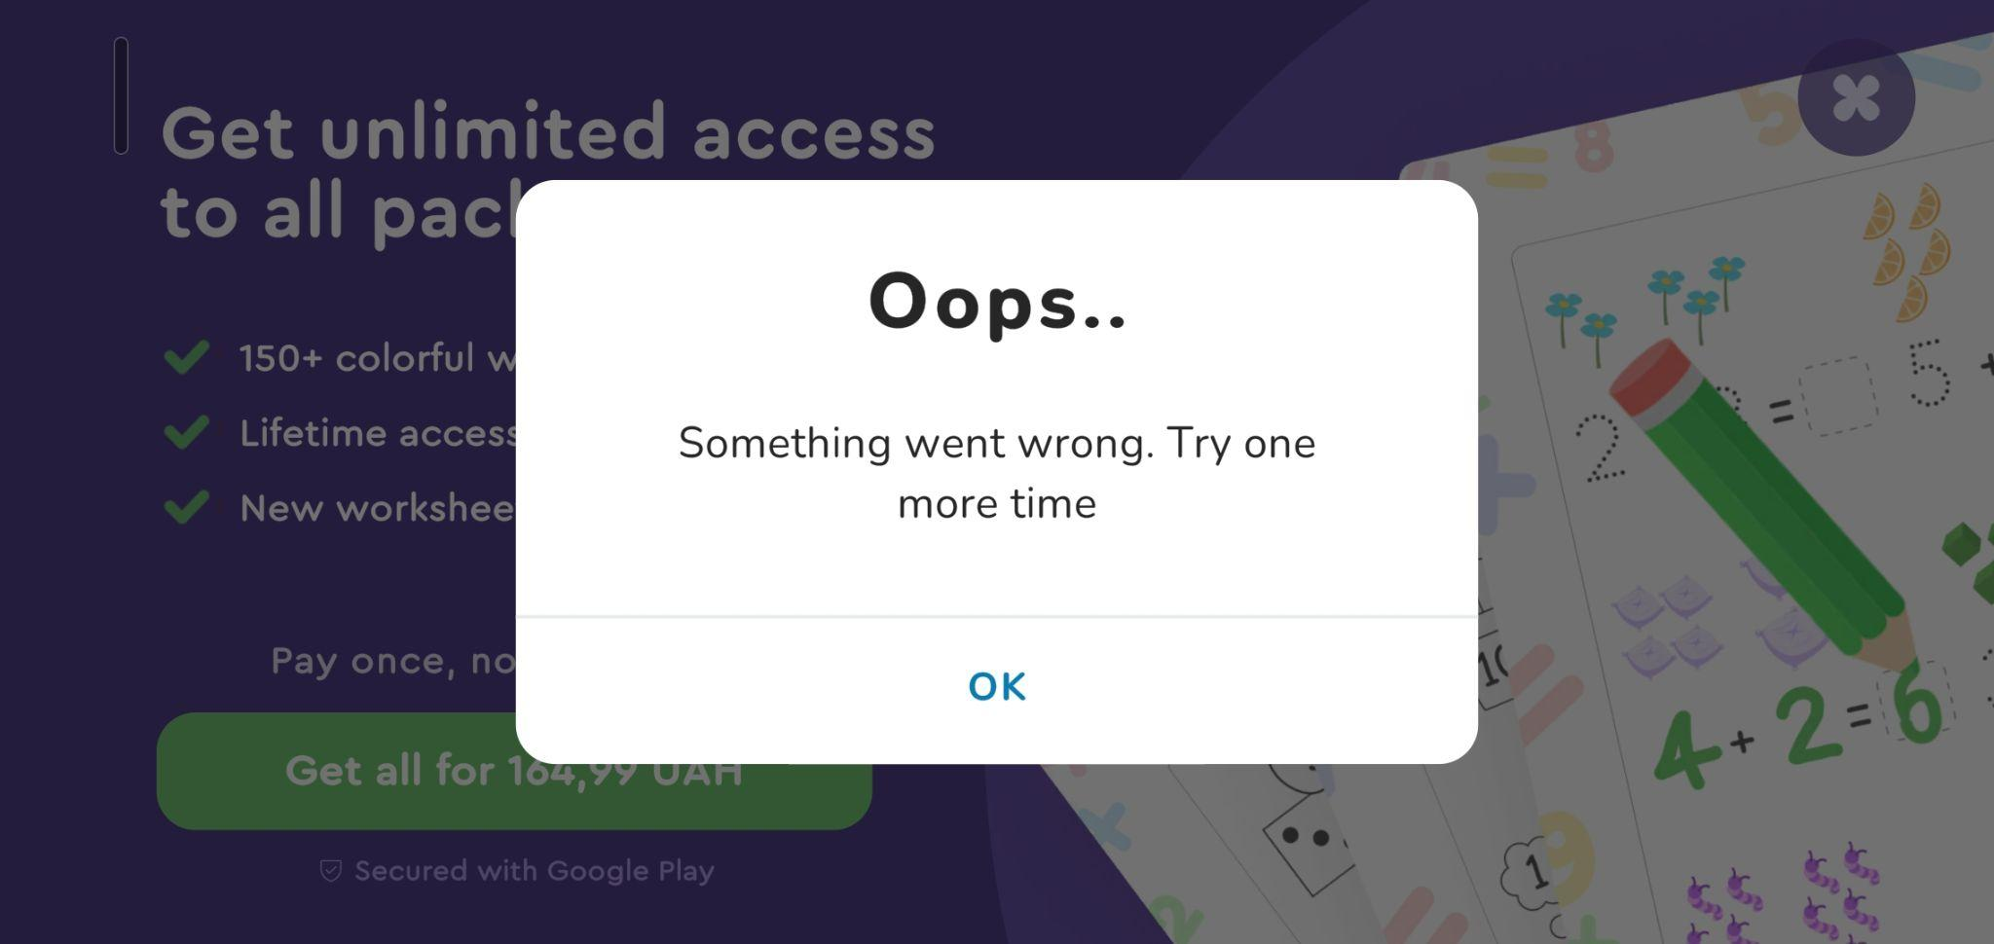
Timer is over | Gift icon fade | When trying to download packages, a purchase window opens. The price does not change | Pass
 | Tap the Get all for `$price` button | Opens a payment pop-up in the play market. | Pass
 | "Oops..." pop-up | It appears if you cancel the purchase payment | Pass

Audio
Background music |  | Background music is playing | Pass
Sounds fx |  | A sound effect is played on the buttons when you tap them. | Pass
Animations
 | Grown Ups Only screen | Animation of incorrect selection of a number during verification | Pass
 | Grown Ups Only screen | Tap animation by number during check | Pass
 | Tap the Get worksheets button / Download button | Spinner animation when loading packages | Pass
Additional checks:
Purchase verification |  | Checking whether the purchase amount has been written off correctly
 |  | Check whether it is possible to download packages of letters after purchase
Download all packages via the "Download" button | Go to the device gallery | Upon successful download, all available letter packs will be displayed in the gallery | Pass
Download all packages via the "Get worksheets" pop-up button | Go to the device gallery | Upon successful download, all available letter packs will be displayed in the gallery. | Pass
Checking downloaded letters | Go to the device gallery | Upon successful download, the entire package of letters will be displayed in the gallery. If the packages are downloaded again, they will be duplicated. | Pass

